Return on Equity
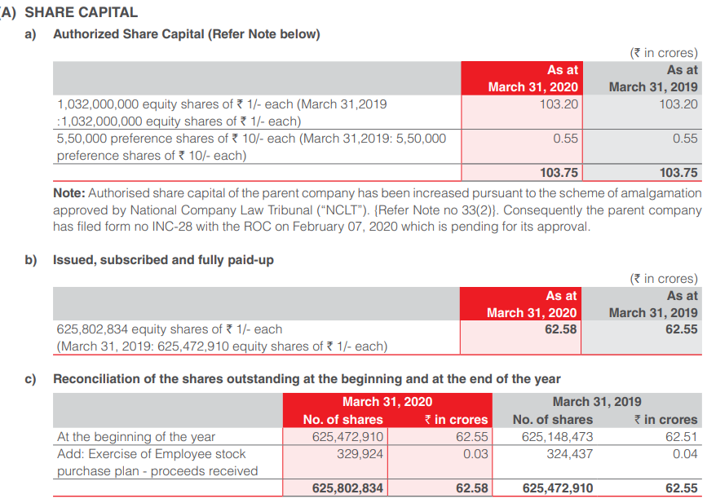
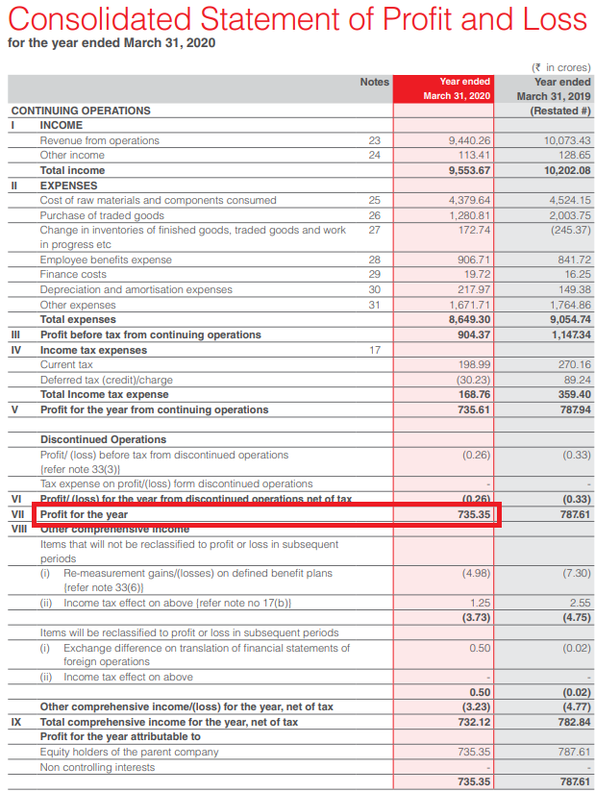
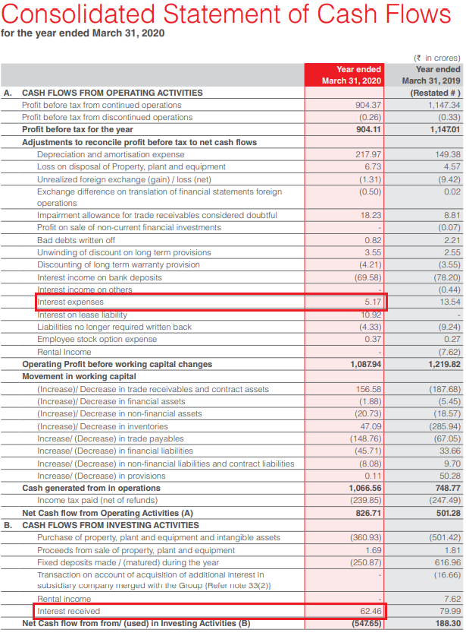
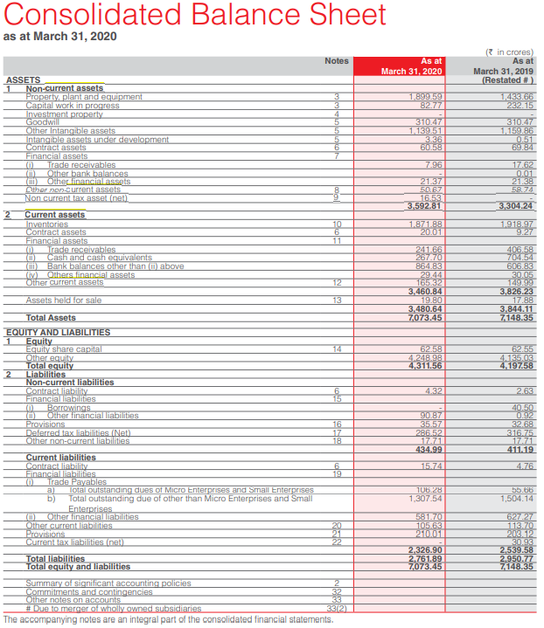
Return on Equity

Term | Value
Net Income | 735.35
Interest Expenses | 5.17
Interest Income | 62.46
Applicable Tax Rate | 0.25168
Net Interest expense after tax | -42.8712528
NOPAT | 692.4787472

Current Assets | 3460.84
Current Liabilities | 2326.9
Cash and Marketable Securities | 267.7
Repayment of long term borrowings | 54
Operating Working Capital | 920.24

Net long term assets | 3592.81
Net Assets | 4513.05

Total Interest Bearing Liabilities | 40.5
Net debt | -227.2

Sales | 9407.1

Operating ROS | 0.073612351011
Net Assets Turnover | 2.0844218433
Operating ROA | 0.15343919239

Effective interest rate after tax | 0.18869389437

Equity | 4311.56
Net financial leverage | -0.052695544072

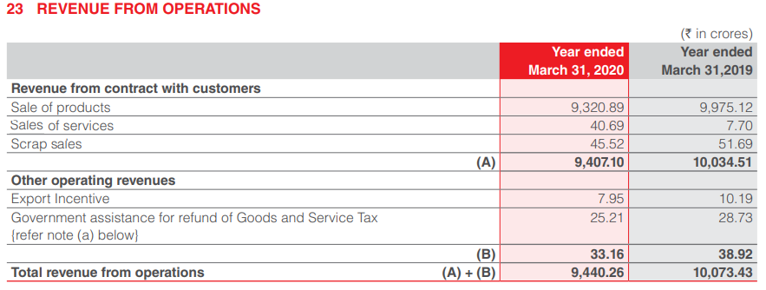
Return on Equity | 0.15529695809

Return on Equity (in %) | 15.53%

